Sheet1

PIONEER SERVICES



M/S Fakhri Brothers |  |  |  |  |  | 21-Jan-25

PO # 13898

Att: Mr. Mustafa Majal

PURCHASE ORDER

Supply of copper pipe for the project Spar super market
S No. | D e s c r i p t i o n | Size | Qty | Unit | Rate | Amount | S No. | D e s c r i p t i o n | Size | Qty | Unit
 | Brand: Trox Korea |  |  |  |  |  |  | Brand: Super Loan
1 | Copper Tube | 1/4" | 2 | Coil | 10,710 | 21,420 | 1 | Super loan insulation thickness 12mm | 1/4" | 100 | Rft
2 | Copper pipe L type | 1/2" | 100 | Rft | 535 | 53,500 | 2 | Super loan insulation thickness 12mm | 1/2" | 100 | Rft
3 | Copper pipe L type | 3/8" | 700 | Rft | 351 | 245,700 | 3 | Super loan insulation thickness 12mm | 3/8" | 700 | Rft
4 | Copper pipe L type | 5/8" | 260 | Rft | 758 | 197,080 | 4 | Super loan insulation thickness 12mm | 5/8" | 260 | Rft
5 | Copper pipe L type | 3/4" | 400 | Rft | 956 | 382,400 | 5 | Super loan insulation thickness 12mm | 3/4" | 400 | Rft
6 | Copper pipe L type | 7/8" | 460 | Rft | 1,156 | 531,760 | 6 | Super loan insulation thickness 12mm | 7/8" | 460 | Rft
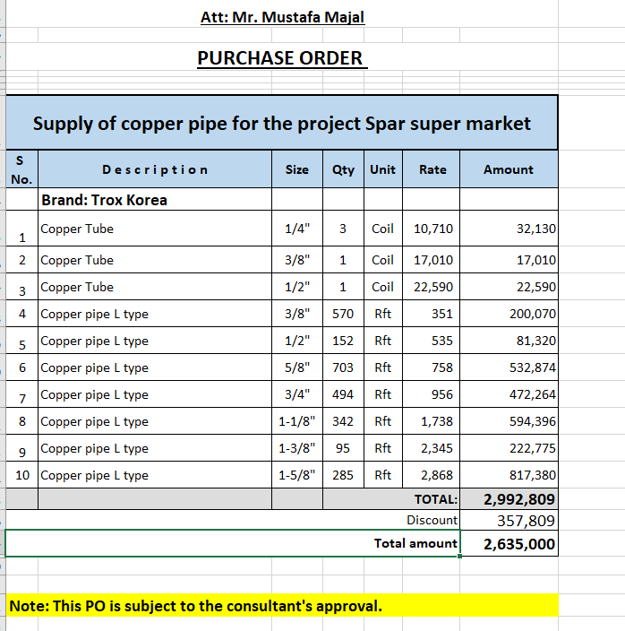
8 | Copper pipe L type | 1-1/8" | 180 | Rft | 1,738 | 312,840 | 8 | Super loan insulation thickness 12mm | 1-1/8" | 180 | Rft
9 | Copper pipe L type | 1-3/8" | 150 | Rft | 2,345 | 351,750 | 9 | Super loan insulation thickness 12mm | 1-3/8" | 150 | Rft
10 | Copper pipe L type | 1-5/8" | 260 | Rft | 2,868 | 745,680 | 10 | Super loan insulation thickness 12mm | 1-5/8" | 260 | Rft
 |  |  | TOTAL: |  |  | 2,842,130
Discount 12% |  |  |  |  |  | 341,056
Total amount |  |  |  |  |  | 2,501,074

Note: This PO is subject to the consultant's approval.

for Pioneer Engineering Services

